ENGINEERING
S.NO. | DEPARTMENT / FACULTY | NAME OF FACULTY MEMBERS | DESIGNATION | PHOTOGRAPH | REMARKS
1 | PACIFIC INSTITUTE OF TECHNOLOGY | Dr. Dilendra Hiran | Faculty Chairman & Professor |  | M.Sc (Mathematics), MCA, Phd (Computer Science), Phd Supervised-20, Paper Published - 40, Patent -1 Experience-23 Years
2 | PACIFIC INSTITUTE OF TECHNOLOGY | Dr. Ashok Kumar Jetawat | PRINCIPAL & Professor | 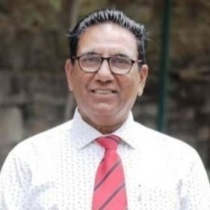 | M.Tech (Information Technology), Phd (E-Governance) Phd Supervised-20,Paper Published- 30, Patent-1, Experience-35 Year
3 | PACIFIC INSTITUTE OF TECHNOLOGY | Dr. Manish Pokharna | Controller of Examination & Professor |  | M.Tech (Thermal Engineering), Phd (Mechanical Engineering), Paper Published-25, Experience-30 Years
4 | PACIFIC INSTITUTE OF TECHNOLOGY | Dr. Akshat Singh Jhala | Assistant Professor |  | Academic Coordinator Head,Department of Mechanical Engineering, M.Tech (Industrial Engineering & Mangement.),PGDHRM, Phd (Mechanical Engineering), Paper Published-12,Experience-10 Years
5 | PACIFIC INSTITUTE OF TECHNOLOGY | Dr. Raju Kumar Swami | Associate Professor | 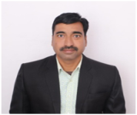 | M.Tech Coordinator, Head,Department of Electrical Engineering, M.Tech (Power Electronics & ASIC),Phd (Electrical Engineering) Paper Published-30,Experience-15 Years,Book Published-2,Patent -10
6 | PACIFIC INSTITUTE OF TECHNOLOGY | Dr. Devnita Polley | Assistant Professor |  | Head,Department of Civil Engineering, M.Tech (Environmental Engineering),Phd (Renewable Energy Engineering),Paper Published 10, Book Published-2, Patent -1,Citations-563 Experience-8 Years
7 | PACIFIC INSTITUTE OF TECHNOLOGY | Prof. Ritu Khanna | Professor | 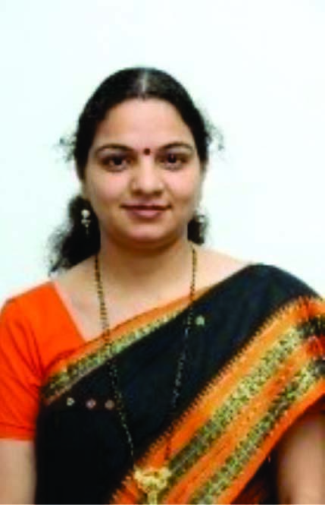 | Incharge-IQAC Cell Msc(Mathematics), Med, Phd. Phd. Supervised-15,Paper Published-45, Book Published-1. Experience-20 Years
8 | PACIFIC INSTITUTE OF TECHNOLOGY | Dr. Seema Kothari | Professor | 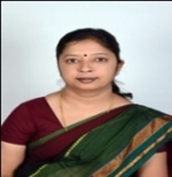 | Head Departement of Basic Science MSc,Phd, Phd. Supervised-13, Paper Published-45, Book Published-3,Chapters in Book-10 , Experience-24 Years
9 | PACIFIC INSTITUTE OF TECHNOLOGY | Dr. Shankar Lal Patel | Assistant Professor | 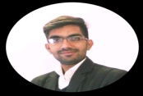 | Phd in Material Science,Paper Published-60, Book Published-2,Citations-1000, Patent -2 Experience-3 Years
10 | PACIFIC INSTITUTE OF TECHNOLOGY | Dr. Raj K Choudhary | Assistant Professor |  | Ph.D(Computer Science), M.Phil (Computer Science) Paper Published 06, Patent -1, Experience-6 Years
11 | PACIFIC INSTITUTE OF TECHNOLOGY | Mr Deepak Vyas | Assistant Professor |  | Training & Placement In-Charge Mtech (Digital Communication) Paper Published-15. Experience-17 Years
12 | PACIFIC INSTITUTE OF TECHNOLOGY | Mr. Praveen Kumar Jagetia | Assistant Professor |  | Examination In-Charge Msc(Mathematics),NET-JRF,Paper Published-04, Book Published-3, Experience-21 Years,
13 | PACIFIC INSTITUTE OF TECHNOLOGY | Mr. Ashok Prajapat | Assistant Professor | 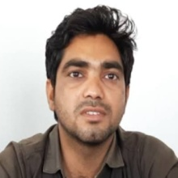 | M.Tech (Environmental Engineering),MBA Paper Presentation -2 Experience-3 Years,
14 | PACIFIC INSTITUTE OF TECHNOLOGY | Mr.Hisamuddin Raj Sheikh | Assistant professor |  | M.Tech (CTM), Experience- 9 Years,
15 | PACIFIC INSTITUTE OF TECHNOLOGY | Ms. Karuna Soni | Assistant Professor | 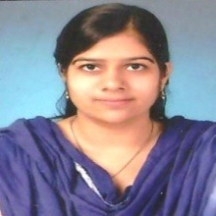 | M.Tech (Computer Science Enginering) Paper Published -12 Patent-1 Experience-8 Years
16 | PACIFIC INSTITUTE OF TECHNOLOGY | Mr. Puneet Sharma | Assistant Professor |  | M.Tech (CAD/CAM) Paper Presentation -8 Experience-8 Years,
17 | PACIFIC INSTITUTE OF TECHNOLOGY | Mr Amresh Kumar | Assistant Professor |  | M.Tech (Mine Planning & Mangement) Experience-1 Years,
18 | PACIFIC INSTITUTE OF TECHNOLOGY | Mr.Narendra Lohar | Assistant Professor |  | M.Tech (Structural Engineering) Paper Presentation - Experience-2 Years,
19 | PACIFIC INSTITUTE OF TECHNOLOGY | Mr. Akshay Sharma | Assistant Professor |  | M.Tech (Power Electronics) GOLDMEDALIST Paper Presentation -8 Patents-6 ,Book Published 1 Experience-3 Years,
20 | PACIFIC INSTITUTE OF TECHNOLOGY | Dr. Bhavna Mehta | Assistant Professor (Guest) |  | Experience 16 Years, Specialization: Business Administraion
21 | PACIFIC INSTITUTE OF TECHNOLOGY | Ms. Sangeeta Jha | Assistant Professor(Guest) |  | Experience 6 Years, Specialization: Accountancy & Business Statistics

COMMERCE
S.NO. | DEPARTMENT / FACULTY | NAME OF FACULTY MEMBERS | DESIGNATION | PHOTOGRAPH | REMARKS
1 | Faculty Of Commerce | Dr. Anurag Mehta | Principal & Professor | 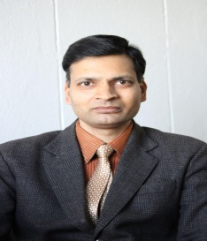 | Experience 20 Years, Specialization: Business Administraion
2 | Faculty Of Commerce | Dr. Deepika Chaplot | Associate Professor | 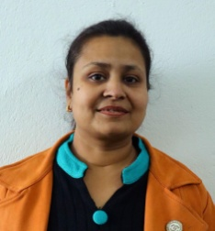 | Experience 20 Years, Specialization: Economics & Banking
3 | Faculty Of Commerce | Dr. Ali Asgar Joon | Assistant Professor | 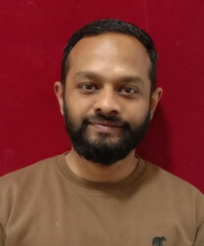 | Experience 15 Years, Specialization: Business Administraion
4 | Faculty Of Commerce | Dr. Bhavna Mehta | Assistant Professor | 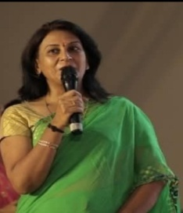 | Experience 16 Years, Specialization: Business Administraion
5 | Faculty Of Commerce | Dr. Ashish Shrimali | Assistant Professor | 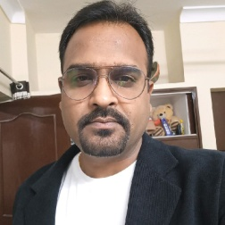 | Experience 15 Years, Specialization: Economics & Banking
6 | Faculty Of Commerce | Dr. Rajat Khandelwal | Assistant Professor |  | Experience 10 Years, Specialization: Accountancy & Business Statistics
7 | Faculty Of Commerce | Dr. Karishma Dayer | Assistant Professor | 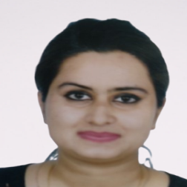 | Experience 6 Years, Specialization: Accountancy & Business Statistics
8 | Faculty Of Commerce | Dr. Priyanka Choudhary | Assistant Professor |  | Experience 20 Years, Specialization: Business Administraion
9 | Faculty Of Commerce | Dr. Rachna Paliwal | Assistant Professor |  | Experience 20 Years, Specialization: Business Administraion
10 | Faculty Of Commerce | Dr. Fatima Damana | Assistant Professor | 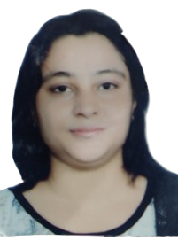 | Experience 20 Years, Specialization: Business Administraion
11 | Faculty Of Commerce | Dr. Mohammed Abid | Assistant Professor | 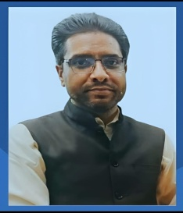 | Experience 18 Years, Specialization: Accountancy & Business Statistics
12 | Faculty Of Commerce | Dr. Bhavya Jain | Assistant Professor | 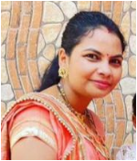 | Experience 4 Years, Specialization: Business Administraion
13 | Faculty Of Commerce | Ms. Sangeeta Jha | Assistant Professor | 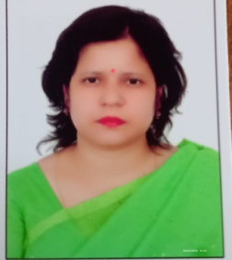 | Experience 6 Years, Specialization: Accountancy & Business Statistics

MANAGEMENT
S.NO. | DEPARTMENT / FACULTY | NAME OF FACULTY MEMBERS | DESIGNATION | PHOTOGRAPH | REMARKS
1 | Faculty of Management | Prof. Dipin Mathur | 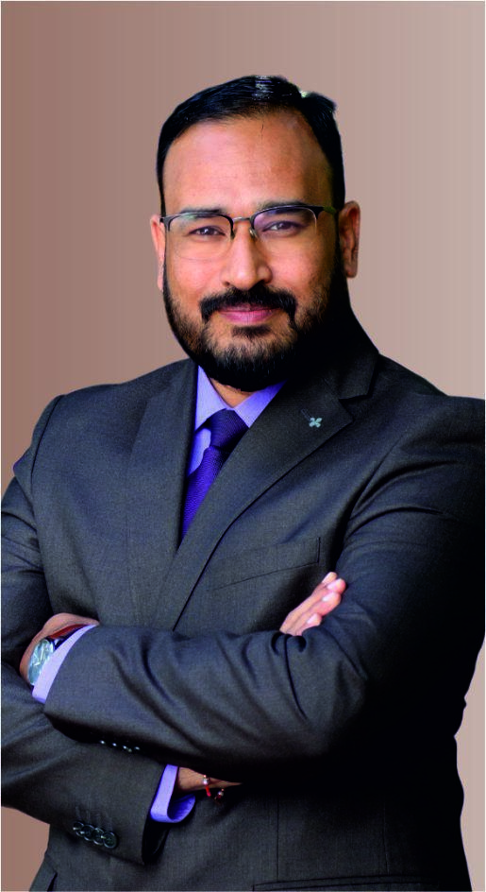 Dean & Professor |  | M.Com, MBA, Ph.D Human Resource Management Ph.D. Supervised: 24 Experience: 23 Years Paper Published: 32 Book Published:5
2 | Faculty of Management | Dr. Hemant Kothari | President & Professor | 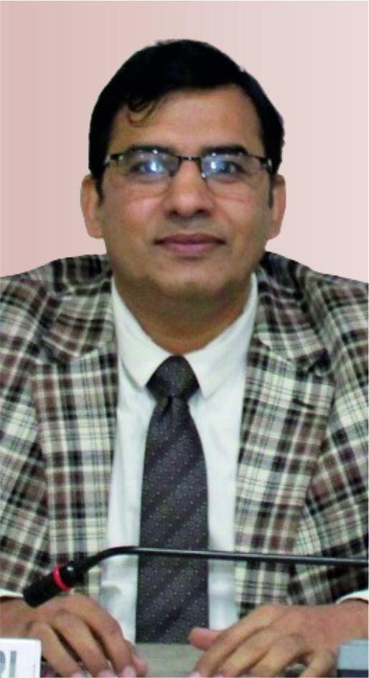 | President, PAHERU M.Com, MHRM, UGC-JRF NET, Ph.D. General Management Ph.D. Supervised: 19 Experience: 27 Yrs Paper Published: 42 Book Published: 3
3 | Faculty of Management | Dr. Shankar Choudhary | Professor | 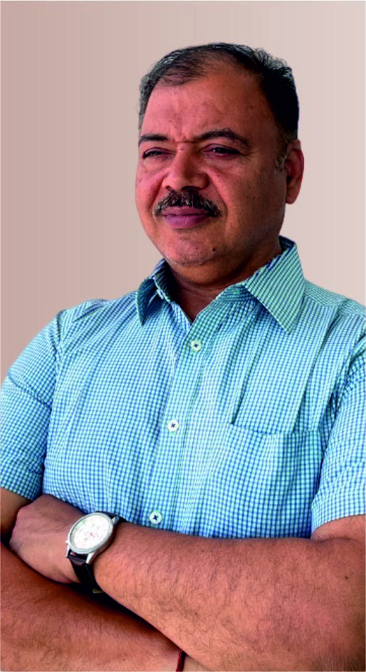 | Director Placement, PAHERU MBA, B.Tech., Ph.D. (E&C) Marketing & IT Ph.D. Supervised: 20 Experience: 25 Yrs Paper Published: 85 Book Published: 4
4 | Faculty of Management | Dr. Pushpkant Shakdwipee | Professor | 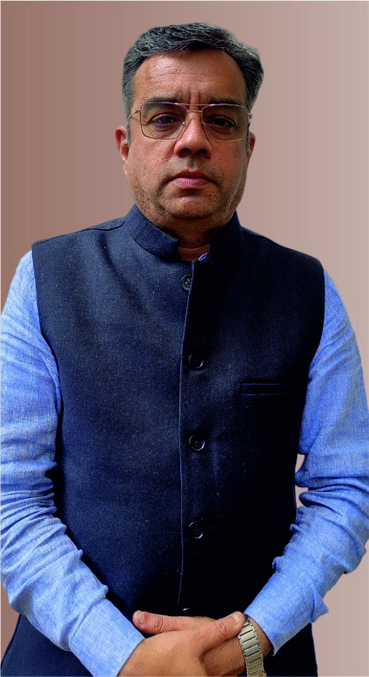 | Proctor & HoD, Finance M.Com, Ph.D. Accounting and Finance Ph.D. Supervised: 15 Experience: 20 Yrs Paper Published: 40 Book Published: 5
5 | Faculty of Management | Dr. Pallavi Mehta | 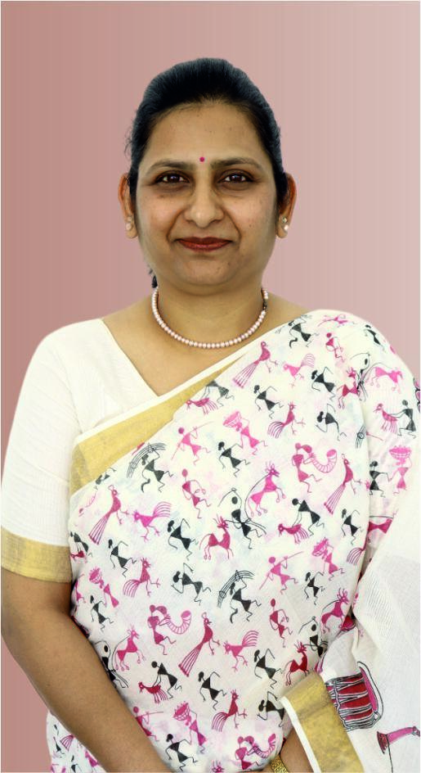 Professor |  | Director IQAC & HoD, IB NET (Mgmt.), M.I.B., PhD., M.Com (Gold Medalist) IBM & Business Economics Business Strategy, RM, Export-Import Management Ph.D. Supervised: 20 Experience: 24 Yrs. Paper Published: 80 Book Published: 8
6 | Faculty of Management | Dr. Mahendra Sojatia | 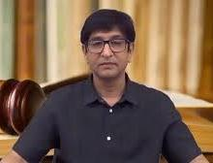 Professor
7 | Faculty of Management | Dr. Anil Jain | Professor | 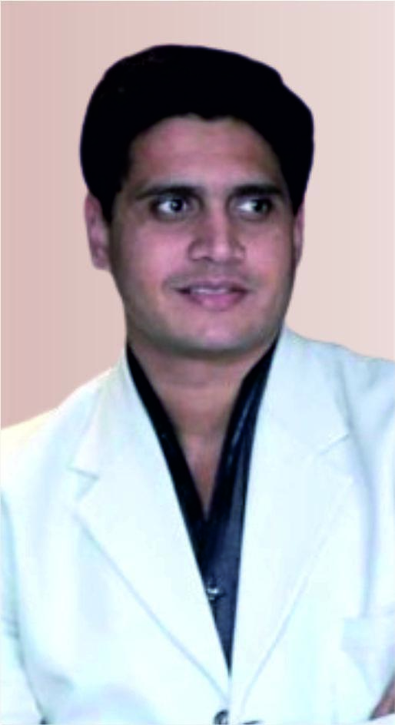 | CFO, PAHERU MBA, Ph.D. Finance and Banking Ph.D. Supervised: 8 Experience: 19 Yrs Paper Published: 18 Book Published: 1
8 | Faculty of Management | Dr. Narendra Singh Chawda | Associate Professor | 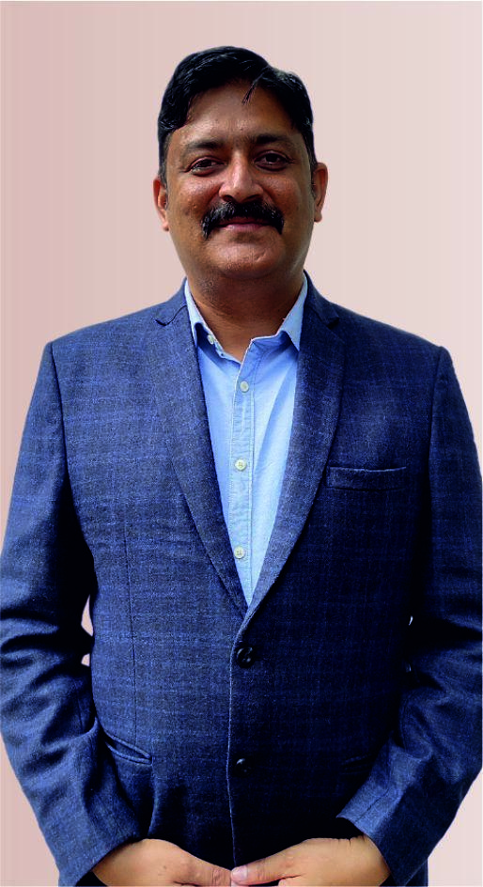 | HoD, Marketing M.Com, MBA, BA, Ph.D. Marketing Management Ph.D. Supervised: 4 Experience: 20 Yrs Paper Published: 9
9 | Faculty of Management | Dr. Khushbu Agarwal | Associate Professor | 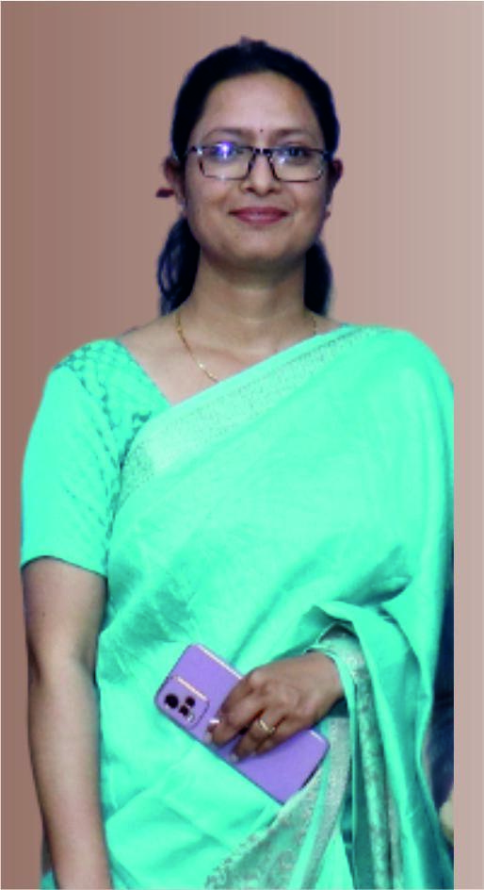 | HoD, OPM MBA, M.Com, Ph.D. UGC-NET OPM, TQM Ph.D. Supervised: 2 Experience: 16 Yrs Paper Published: 32 Book Published: 2
10 | Faculty of Management | Dr. Jaya Sharma | Assistant Professor | 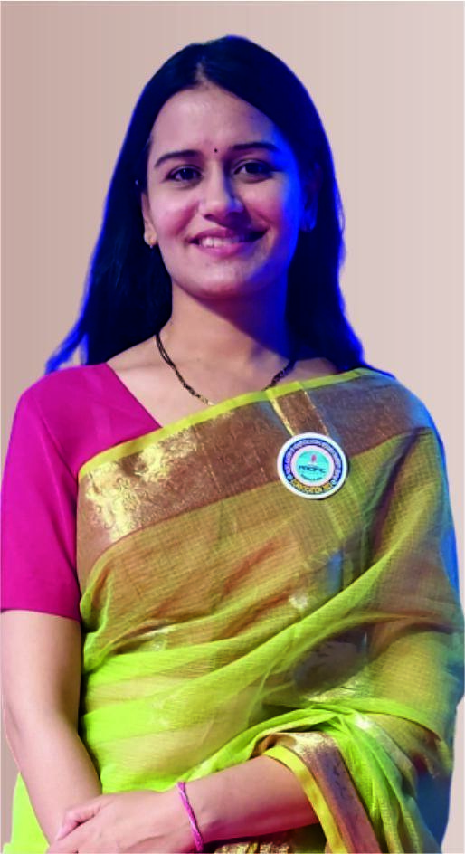 | Ph.D., MBA HR, General Management, Entrepreneurship Experience: 9 Yrs Paper Published: 12 Book Published: 1
11 | Faculty of Management | Dr. Gaurav Kumar Joshi | Associate Professor | 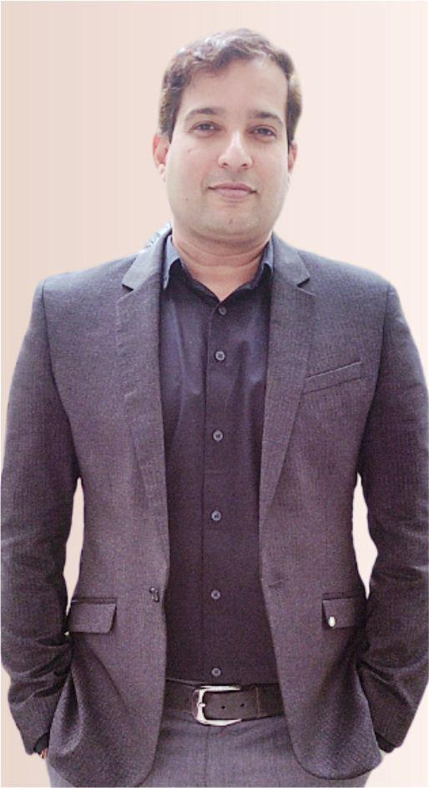 | Ph.D. Computer Science IT, Marketing, RM Ph.D. Supervised: 5 Experience: 17 Yrs Paper Published: 66 Book Published: 3
12 | Faculty of Management | Mr. Vivek Sharma | Professor-In-Practice | 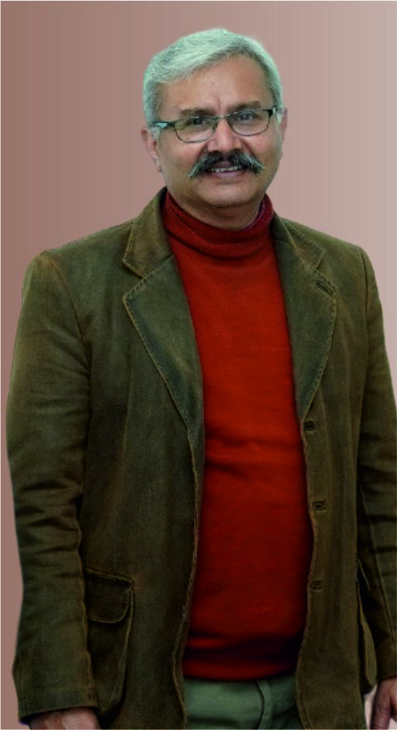 | B.Sc. MBA Marketing Experience: 39 Yrs
13 | Faculty of Management | Dr. Kulvinder Kaur Gujral | Associate Professor | 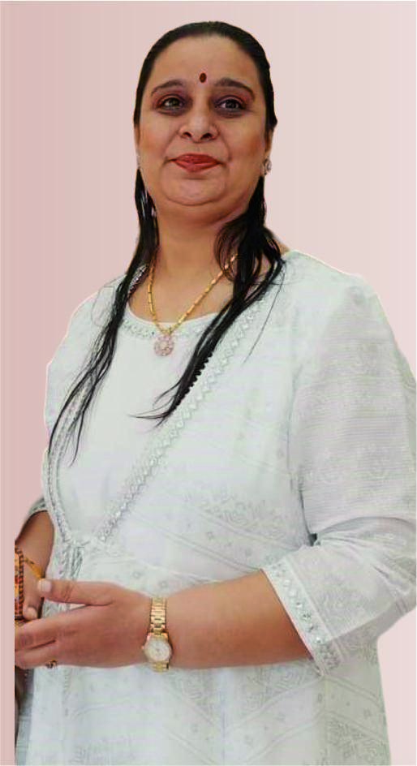 | Ph.D., M.Com., B.Ed., MBA, MA (Economics) Finance, Entrepreneurship Ph.D Supervised: 5 Experience : 25 yrs. Paper Published : 20
14 | Faculty of Management | Dr. Apurva Sarupria | Associate Professor | 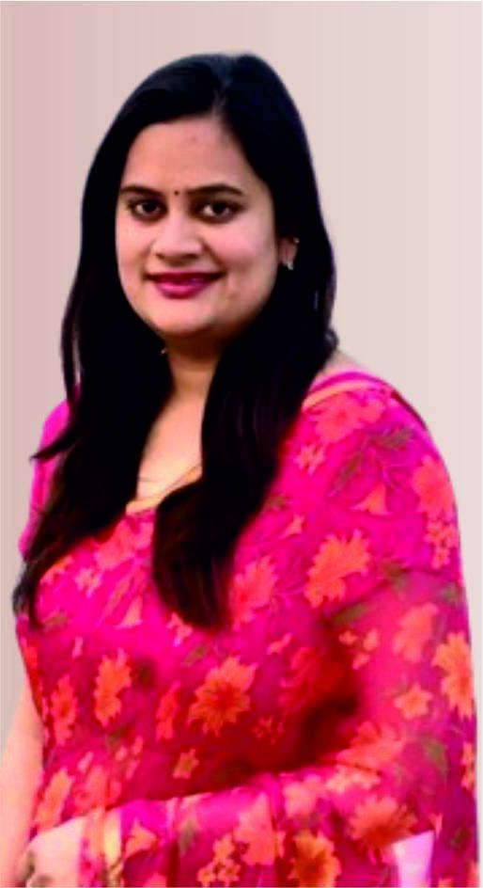 | Ph.D., MBA Human Resource Management Ph.D. Supervised: 6 Experience: 17 Yrs. Paper Published: 10
15 | Faculty of Management | Dr. Ankita Kothari | Assistant Professor | 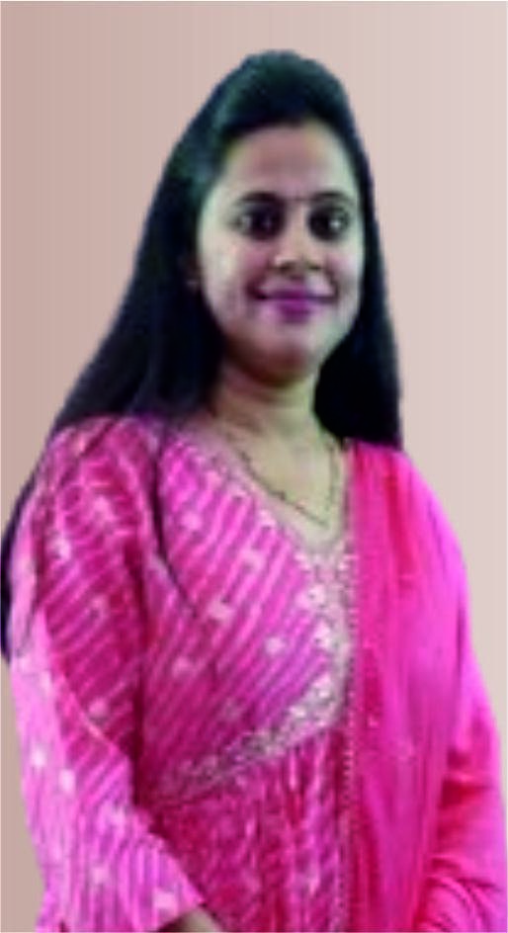 | Ph.D., MBA Finance Ph.D. Supervised: 4 Experience: 2.5 Yrs Paper Published: 2
16 | Faculty of Management | Dr. Surya Prakash Vaishnav | Assistant Professor | 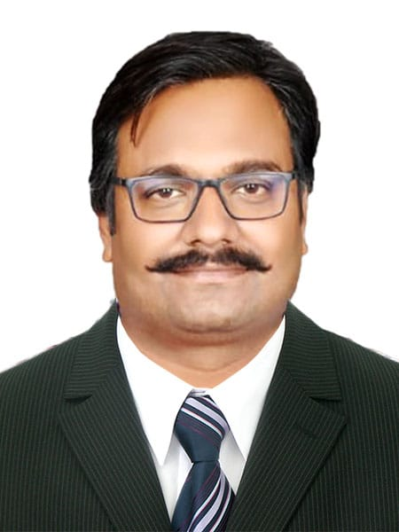 | Ph.D., MBA Finance and Marketing Ph.D. Supervised: Nil Experience: 13 Yrs Paper Published: 4
17 | Faculty of Management | Ms. Ayushi Mali | Assistant Professor | 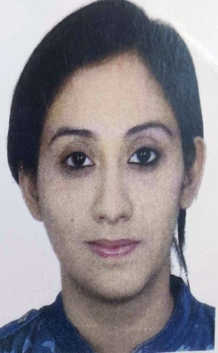 | Pursuing PhD., MBA Finance Paper Published: 2 Experience: 1 Year

PHARMACY PCP
S.No. | DEPARTMENT / FACULTY | NAME OF FACULTY MEMBERS | DESIGNATION | PHOTOGRAPH | REMARKS
1 | Pacific College of Pharmacy | Dr. Pratim Kumar Choudhary | Principal |  | M.Pharm,Ph.D Pharmaceutices Ph.D. Supervised: 12 Experience: 34 Years Paper Published: 69 Book Published:02
2 | Pacific College of Pharmacy | Dr. Ashok Dashora | Professor |  | M.Pharm,Ph.D Pharmaceutices Ph.D. Supervised:- 3 Persuing Experience: 28 Years Paper Published: 20 Book Published:21
3 | Pacific College of Pharmacy | Dr. Jayesh Dwivedi | Professor |  | M.Pharm,Ph.D Pharmaceutices Ph.D. Supervised: 10 Experience: 18 Years Paper Published: 40 Book Published:03
4 | Pacific College of Pharmacy | Dr. Deepak Sharma | Professor |  | M.Pharm,Ph.D Pharmaceutical Science Ph.D. Supervised: 0 Experience: 18 Years Paper Published: 35 Book Published:0
5 | Pacific College of Pharmacy | Dr. Dinesh Kumar Agarwal | Professor | 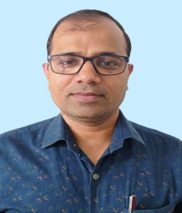 | M.Pharm,Ph.D - Pharmacology Ph.D. Supervised: 7 Pursuing Experience: 18 Years Paper Published: 30 Book Published:1
6 | Pacific College of Pharmacy | Dr. Rajesh Khathuriya | Professor |  | M.Pharm,Ph.D Pharmacognosy Ph.D. Supervised: 3 Experience: 15 Years Paper Published: 25 Book Published:01
7 | Pacific College of Pharmacy | Dr. Gunjan Jadon | Professor | 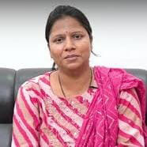 | M.Pharm,Ph.D Pharmaceutical Chemistry Ph.D. Supervised::08 Experience: 15.5 Years Paper Published: 62 Book Published:17
8 | Pacific College of Pharmacy | Dr, Ritesh Agrawal | Professor | 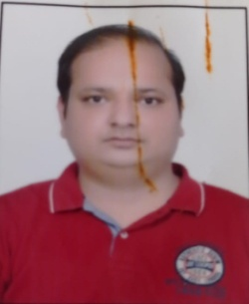 | M.Pharm,Ph.D Medicinal Chemistry Ph.D. Supervised::2 Experience: 16.5 Years Paper Published: 45 Book Published: 01
9 | Pacific College of Pharmacy | Dr, Prinyaka Chouhan | Professor | 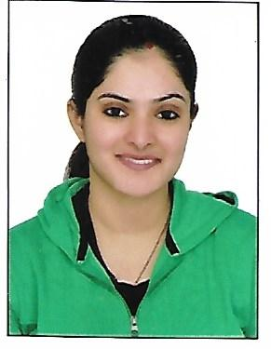 | M.Pharm,Ph.D Pharmaceutices Ph.D. Supervised::01 Experience: 11.3 Years Paper Published: 05 Book Published: 0
10 | Pacific College of Pharmacy | Dr. Ranu Sharma | Professor | 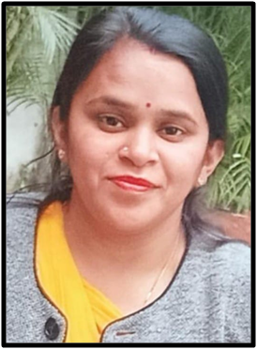 | M.Pharm,Ph.D Pharmaceutical Chemistry Ph.D. Supervised::0 Experience: 12 Years Paper Published: 21 Book Published: 3
11 | Pacific College of Pharmacy | Mr. Awadh Kishore | Asso. Professor | 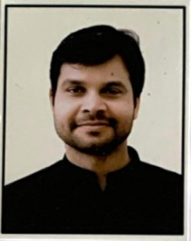 | M.Pharm,Ph.D - Pharmaceutics Due Viva Ph.D. Supervised::0 Experience: 15.6 Years Paper Published: 40 Book Published: 07
12 | Pacific College of Pharmacy | Dr. Mangi Lal Choudhary | Asso. Professor | 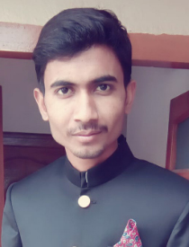 | M.Pharm,Ph.D - Pharmacology Ph.D. Supervised::0 Experience: 9 Years Paper Published: 6 Book Published: 0
13 | Pacific College of Pharmacy | Dr. Maya Sharma | Asso. Professor | 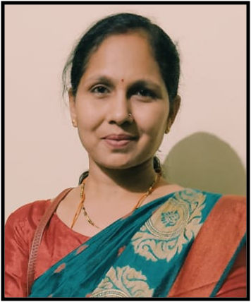 | M.Pharm,Ph.D -Pharmaceutical Science Ph.D. Supervised::6 Experience: 9 Years Paper Published: 50 Book Published: 03
14 | Pacific College of Pharmacy | Mr. Anukraman Singh | Asso. Professor | 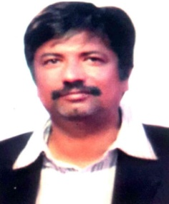 | M.Pharm - Pharmacology Experience: 10 Years Paper Published: 3 Book Published: 0
15 | Pacific College of Pharmacy | Dr. Kiranbala Jain | Asso. Professor |  | M.Pharm - Pharmacology Experience: 10 Years Paper Published: 3 Book Published: 0
16 | Pacific College of Pharmacy | Mr. Hemant Mali | Asso. Professor | 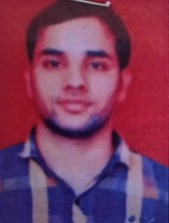 | M.Pharm - Pharmaceutics Experience: 4.5 Years Paper Published: 5 Book Published: 0
17 | Pacific College of Pharmacy | Mrs. Choudhary Vimla | Asst. Professor | 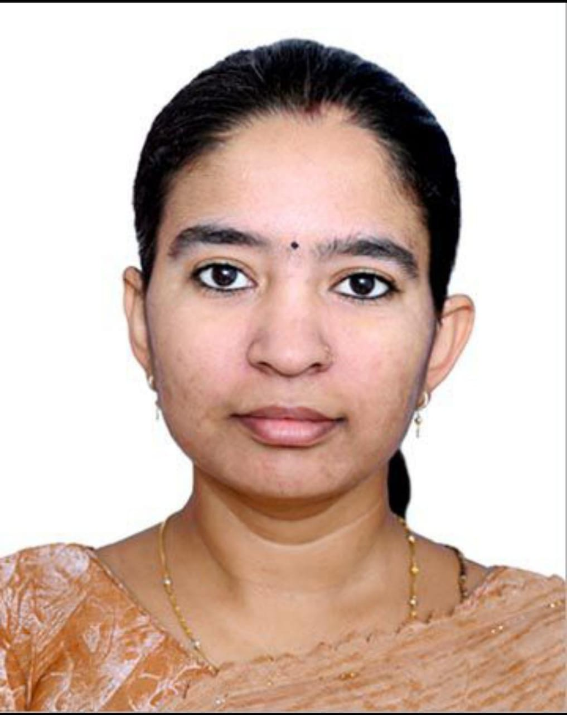 | M.Pharm - Pharmaceutics Experience: 1 Years Paper Published: 0 Book Published: 0
18 | Pacific College of Pharmacy | Mr. Dileep Kumar | Asst. Professor | 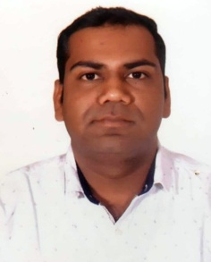 | M.Pharm - Pharmacology Experience: 9 Years Paper Published: 6 Book Published: 0
19 | Pacific College of Pharmacy | Mr.Shahid Ansari | Asst. Professor | 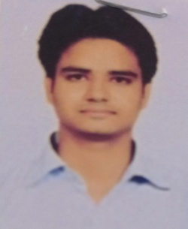 | M.Pharm - Pharmaceutics Experience: 5 Years Paper Published: 0 Book Published: 0
20 | Pacific College of Pharmacy | Mr. Joaeb Khan | Asst. Professor | 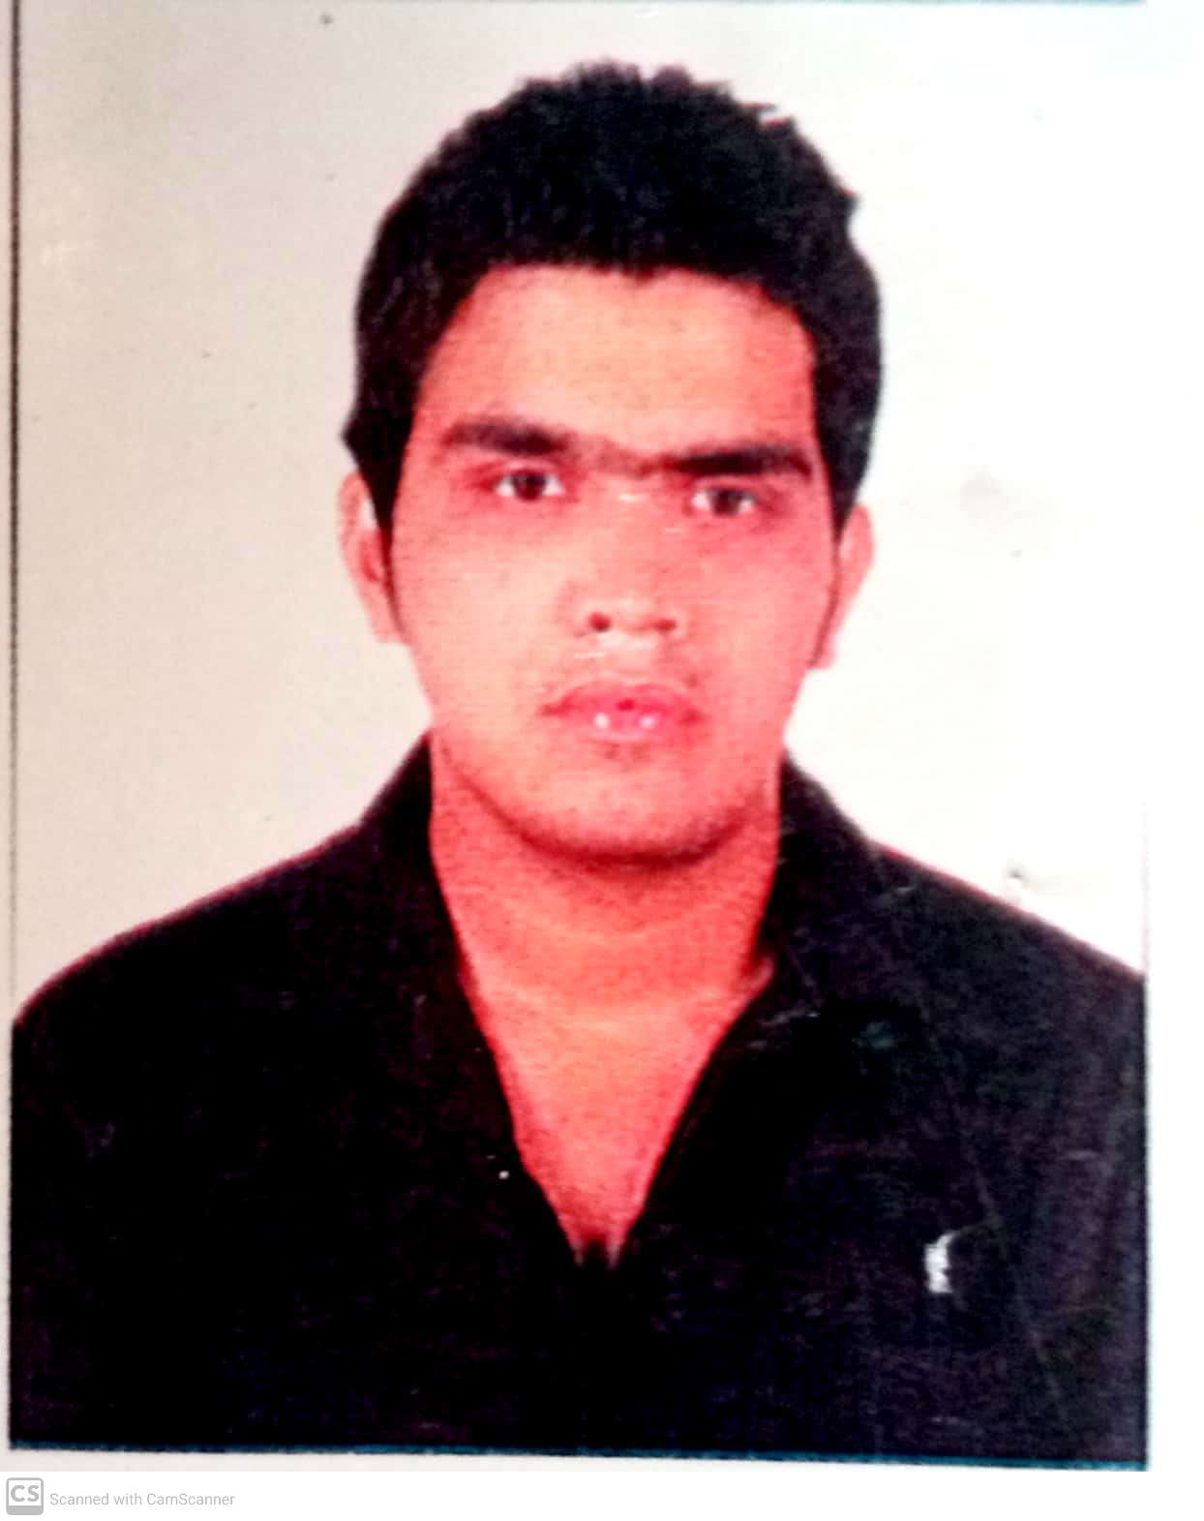 | M.Pharm - Quality Assurance Experience: 3.5 Years Paper Published: 0 Book Published: 0
21 | Pacific College of Pharmacy | Dr.. Shweta Jain | Assoc. Professor | 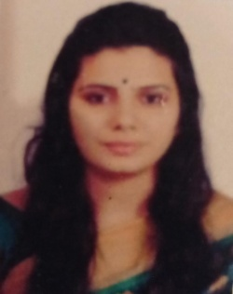 | M.Pharm - Pharmaceutics Experience: 7 Years Paper Published: 0 Book Published: 0
22 | Pacific College of Pharmacy | Mrs. Vandana Jain | Asst. Professor | 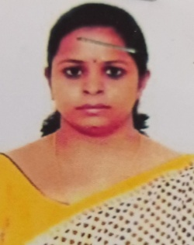 | M.Pharm - Pharmaceutics Experience: 7 Years Paper Published: 0 Book Published: 0
23 | Pacific College of Pharmacy | Mr. Sailesh Sen | Asst. Professor |  | M.Pharm - Quality Assurance Experience: 4.5 Years Paper Published: 0 Book Published: 0
24 | Pacific College of Pharmacy | Ms.Sangeeta Saraswat | Assco. Professor |  | M.Pharm - Quality Assurance Experience: 10 Years Paper Published: 7 Book Published: 0
25 | Pacific College of Pharmacy | Mr. Mohini Vishwas | Asst. Professor |  | M.Pharm - Quality Assurance Experience: 3 Years Paper Published: 0 Book Published: 0
26 | Pacific College of Pharmacy | Dr. Harshit Sharma | Asst. Professor |  | Pharm D Experience: 4 Years Paper Published: 0 Book Published: 0
27 | Pacific College of Pharmacy | Dr. Pankaj Saini | Asst. Professor |  | Pharm D Experience: 10 Years Paper Published: 0 Book Published: 0
28 | Pacific College of Pharmacy | Dr. Preeti Kunwar Solanki | Asst. Professor |  | Pharm D Experience: 2 Years Paper Published: 1 Book Published: 0
29 | Pacific College of Pharmacy | Dr. Prachi Vyas | Asst. Professor |  | Pharm D Experience: 2 Years Paper Published: 2 Book Published: 0
30 | Pacific College of Pharmacy | Dr. Yashika Jain | Asst. Professor |  | Pharm D Experience: 2 Years Paper Published: 2 Book Published: 0
31 | Pacific College of Pharmacy | Dr. Hemlata SAlvi | Asst. Professor |  | Pharm D Experience: 2 Years Paper Published: 2 Book Published: 0
32 | Pacific College of Pharmacy | Dr. Kajal Jain | Asst. Professor |  | Pharm D Experience: 2 Years Paper Published: 2 Book Published: 0
33 | Pacific College of Pharmacy | Dr. Ankita Joshi\ | Asst.Professor |  | Pharm D Experience: 2 Years Paper Published: 2 Book Published: 0
34 | Pacific College of Pharmacy | Ms. Ila Das | Asst. Professor |  | M. Pharma Experience: 2 Years Paper Published: 3 Book Published: 0
35 | Pacific College of Pharmacy | Mr.Dinesh Singh | Asst. Professor |  | M. Pharma Experience: 4 Years Paper Published: 4 Book Published: 0
36 | Pacific College of Pharmacy | Mrs. Tripti Jain | Assistant Professor |  | M. Pharma Experience: 3 Years Paper Published: 2 Book Published: 0
37 | Pacific College of Pharmacy | Mr. Prateek Jain | Assistant Professor |  | M. Pharma Experience: 2 Years Paper Published: 1 Book Published: 0
38 | Pacific College of Pharmacy | Mr. Kishan Lal Teli | Lecturer |  | B. Pharma Experience: 3 Years Paper Published: 0 Book Published: 0
39 | Pacific College of Pharmacy | Mr. Mithalal Malviya | Lecturer |  | B. Pharma Experience: 3 Years Paper Published: 0 Book Published: 0
40 | Pacific College of Pharmacy | Ms. Kamini Kumawat | Lecturer |  | B. Pharma Experience: 2.5 Years Paper Published: 0 Book Published: 0
41 | Pacific College of Pharmacy | Mr.Bhavesh Dadheech | Lecturer |  | B. Pharma Experience: 4 Years Paper Published: 0 Book Published: 0
42 | Pacific College of Pharmacy | Mr. Ahmad Ali | Lecturer |  | B. Pharma Experience: 3 Years Paper Published: 0 Book Published: 0
43 | Pacific College of Pharmacy | Mr. Jagdish Mali | Lecturer |  | B. Pharma Experience: 1 Years Paper Published: 0 Book Published: 0
44 | Pacific College of Pharmacy | Mr. Salmam Khan | Lecturer |  | B. Pharma Experience: 4 Years Paper Published: 0 Book Published: 0
45 | Pacific College of Pharmacy | Dr. Anuj Dixit | Lecturer |  | Veterinary, Animal Science Experience: 5 Years Paper Published: 0 Book Published: 0

